How To Use
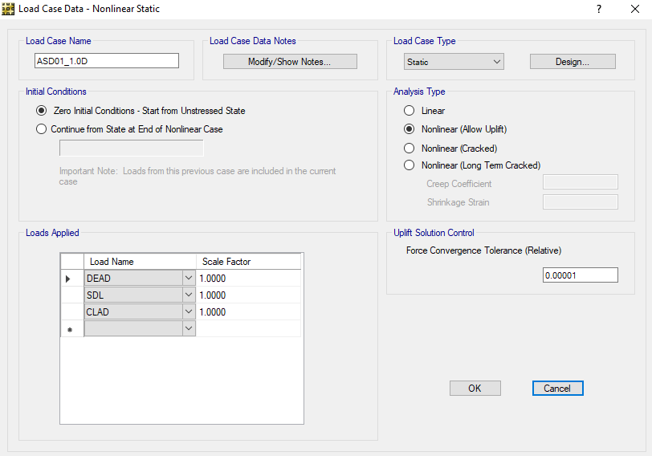
HOW TO USE THIS DOCUMENT: |  |  |  |  | Maintanence Log:
This Excel sheet generates the nonlinear load cases that are required for shallow foundation design using SAFE 2014. This tool uses the SAFE 2014 interactive databse. |  |  |  |  | Date | Version | Log
 |  |  |  |  | Dec/1/2021 | 1.0 | Table created by JM, using ETABS load combo generator as reference
In "Load Combo Input" Worksheet:

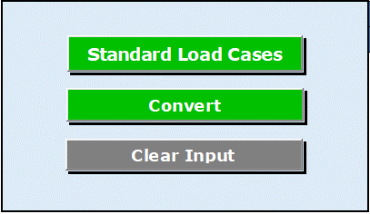
 | You will find the following buttons:
 |  | Button generates the standard load combinations for design, in accordance with 2019 CBC Section 1605.2 (LRFD) and Section 1605.3.2 (Alternative ASD).
 |  | A dialog box will inquire for the short-period spectral acceleration parameter SDS.

 |  | Button generates from the input in the "Load Combo Input" tab, the load cases information in the "Output Table" tab. that will be read by the SAFE 2014 Interactive Database.

 |  | Button cleans the input and ouput in both the "Load Combo Input" and "Output Table" tab.

Recommended approach to use spreadsheet:
1 | Click on "Standard Load Cases" Button to generate typical load combinations.

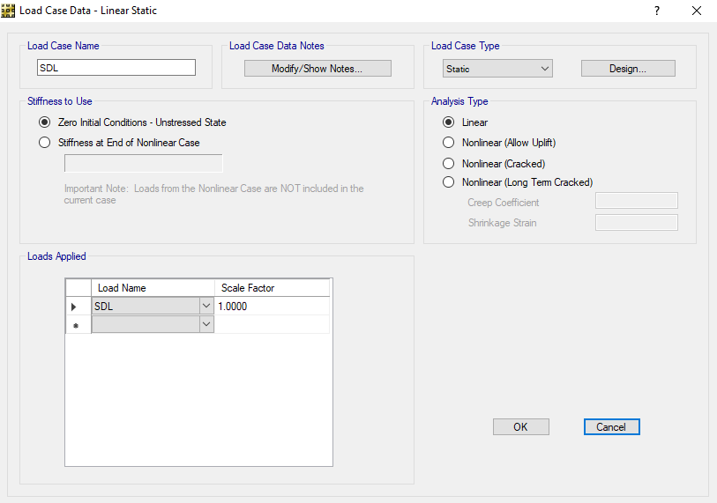
2 | In cells "F9:AA9", you will find the load patterns to be defined in SAFE. Feel free to add or change the load pattern names, if desired. In cells "F10"AA10", you will find the type associated to the load patterns. SAFE only recognizes the types in the dropdown menu. |  | <-- Important: When using this tool in existing SAFE models, make sure that the basic load cases in SAFE match the load pattern definition.
 |  |  |  | Example:
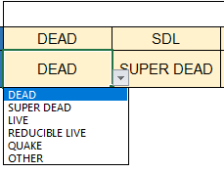

3 | In cells "D20:AA319", you will find the Load Case Names and Load Case Components that were automatically generated. Feel free to add or change the load cases for the analysis in these gray cells.

4 | The analysis type defined in cells "E20:E399" indicates whether the load case is: a) Linear, or b) Nonlinear (Allowing uplift in foundation).

5 | Click the "Convert" Button to to generate the SAFE interactive table load combo format. The result can be found in "Output Table" Sheet. Notice the Convert button will also DELETE all previously generated table content in "Output Table" sheet.

6 | Use the "Clear Input" Button to clear the input and output parameters of this file.

In SAFE 2014:
7 | Open SAFE 2014: a) When starting a new model, you don't need to have any information in advance b) When using an existing model, make sure to match the load patterns of your model with the names in the "Load Combo Input".

8 | Go to the interactive database using the top menu: Edit > Interactive Database Editing
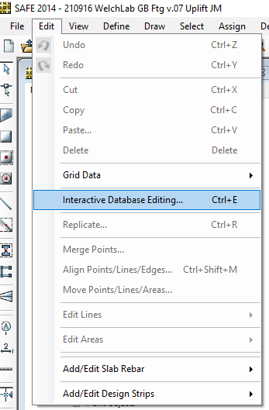

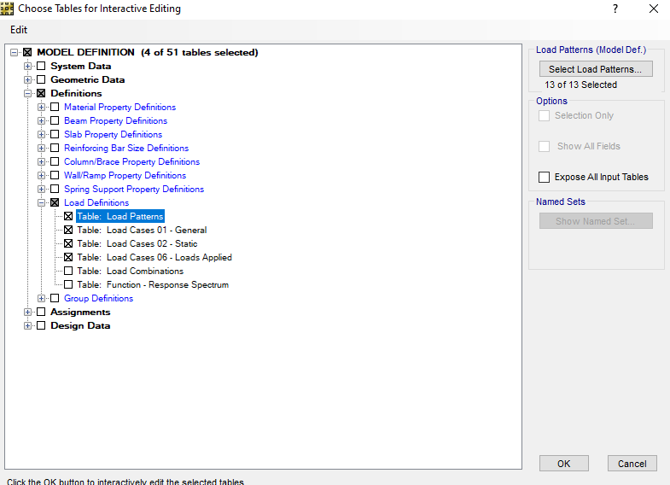
9 | Select "Load Definitions" and check the following Tables. Then, click OK

10 | Copy and paste contents from "Output Table" tab in the order they appear, i.e. Load Patterns, General, Static, Loads Applied. The information can be copied either by coping and pasting directly on the interactive database editing, or using the "To Excel" and "From Excel" buttons.

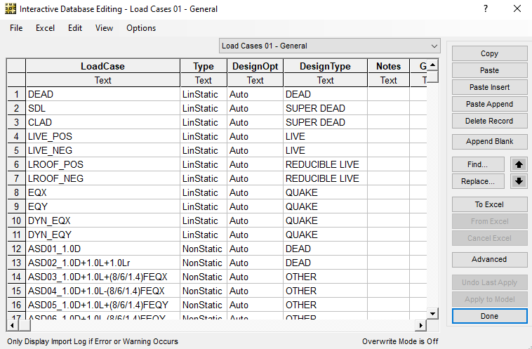

11 | Click in "Done", and the SAFE file will contain the load cases, as defined with this tool.
 | Example:

References
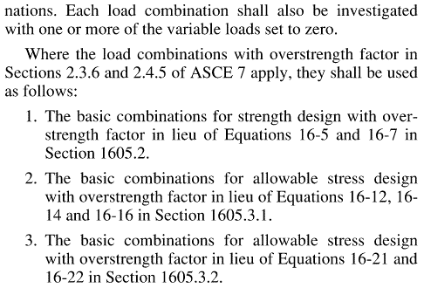
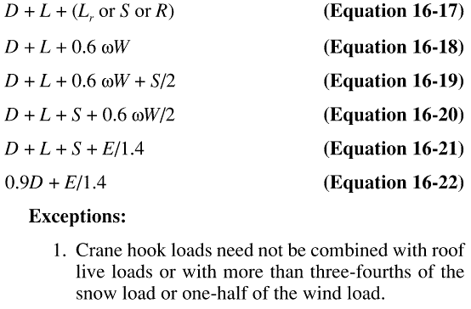
REFERENCES:
This Excel sheet uses the following references for the automatic generation of load cases to be used in the foundation design.

California Building Code 2019:

SECTION 1605: LOAD COMBINATIONS | Section 1650.2 Load combinations using strength design or LRFD | Section 1650.3 Load combinations using allowable stress design | Section 1650.3.2 Alternative basic load combinations
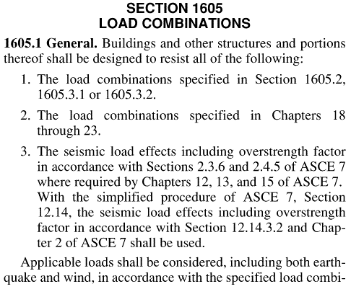
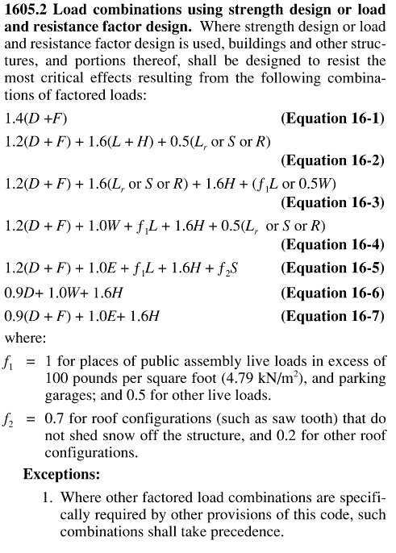
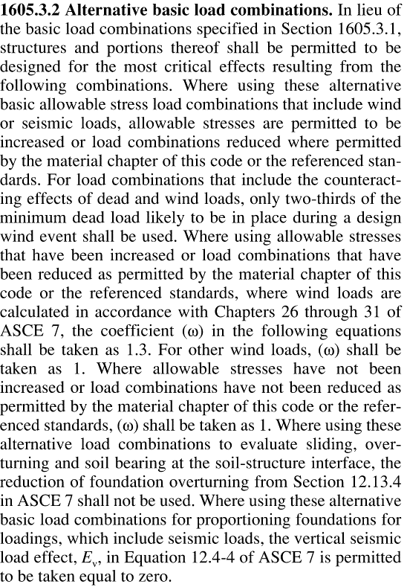

 |  | NOTE: The "alternative basic load combinations" in Section 1650.3.2 are preferred over the "basic load combinations" in Section 1650.3.1. The uplift demand using the "basic load combination" 0.6(D+F)+0.7E+H can lead to overconservative design in the foundations.

